1. Title Page
Grocery Basket Analysis

Project Name: Instacart Grocery Basket Analysis
Date: 08 May 2023
Analyst Name: Shaili Oza

Contents:
Population Flow
Consistency checks
Wrangling steps
Column derivations
Visualizations
Recommendations

Data Source:
https://s3.amazonaws.com/coach-courses-us/public/courses/data-immersion/A4/A4_Data_Assets/4.3_orders_products.zip
“The Instacart Online Grocery Shopping Dataset 2017”, Accessed from https://www.instacart.com/datasets/grocery-shopping-2017 on [date].

2. Population Flow
Title page

Population flow

Exclusion flag
Condition: max_order <
Obervations to be removed:
Final total count of order_products_all: 32404859

Orders_products_combined
Orders_products_merged
Orders_products_all

Total: 32404859
Total: 32434489
Total: 32404859

1.) The grey boxes in the first row of the population flow represent the original data sets as they were when you downloaded them. In the Total fields you need to add the count of the rows when you imported the data set into Jupyter.
2.) The second row of boxes (coloured) represents the data sets after you manipulated them, e.g., removed missing values and duplicates. In the Total fields you need to add the count of the rows after conducting these operations. This offers a visual oveview of how the data flows throughout the data consistency checks.
3.) The third row, where also the arrows are coloured, represents the merges you performed between the datasets. In the Total fields you need to add the count of the rows in the merged datasets, so that you end up with the final dataset (in the red box). Keep in mind the final dataset should be without exclusions (based on the exclusion flag).

3. Consistency checks
 |  |  |  | Title page
Consistency checks

Dataset | Missing values | Missing values treatment | Duplicates
orders | 206209 | Kept the missing value as were, because they indicated new customers. The number of missing values were the same as user ids. | none
products | 16 | dropped from the dataset | 5 - removed
orders_products_prior | none | n/a | none
customers | 0 | none | none

4. Wrangling steps
 |  |  |  | Title page
Wrangling steps

Columns dropped | Columns renamed | Columns' type changed | Comment/Reason
eval_set |  |  | did not contain useful information
 | order_dow - orders_day_of_week |  | for more clarity
 |  | order_id to string | it is qualitative data, not quantitative
 |  | user_id to string | Id numbers are qualitative data
 | days_since_prior_order - days_since_last_order |  | for more clarity
 | Surnam to Last Name |  | for consistency in naming practices
 |  | First Name to string | canged from mixed type to string

5. Column derivations
 |  |  |  | Title page

Column derivations and aggregations

In this tab you should add tables below that the frequences of flags/label variables that you produced after deriving them. NB: don't do this for continuous variables, only for flags.
Dataset | New column | Column/s it was derived from | Conditions
orders_products_merged | price_range | prices | prices <= 5 : Low-range product prices > 5 & prices <=15 : Mid-range product prices >15 : High-range product
orders_products_merged | price_range_loc | prices | prices <= 5 : Low-range product prices > 5 & prices <=15 : Mid-range product prices >15 : High-range product
orders_products_merged | busiest_day | orders_day_of_week | Saturday (0) : Busiest day Wedneday (4) : Least busy All other values : Regularly busy
orders_products_merged | busiest_days | orders_day_of_week | Saturday (0) and Sunday (1) : Busiest days Wedneday (4) and Wuesday (3) : Least busy All other values : Regularly busy
orders_products_merged | busiest_period_of_day | order_hour_of_day | Top 8 hours with maximum orders: Most orders Bottom 8 hours with least orders: Fewest orders All other hours : Average orders
orders_products_merged | loyalty_flag | max_order | max_order > 40 : Loyal customer max_order <=40 & max_order > 10 : Regular customer max_order <= 10 : New customer
orders_products_merged | spending_flag | avg_price | avg_price < 10 : Low spender avg_price >= 10 : High spender
orders_products_merged | order_freq_flag | med_freq | med_freq > 20: Non-frequent customer med_freq <=20 & med_freq >10: Regular customer med_freq <=10: Freqeunt customer
customers_merged | region | STATE | States were classified into regions in accordance with this Wikipedia article: https://simple.wikipedia.org/wiki/List_of_regions_of_the_United_States
customers_merged | low_activity_flag | max_order | max_order < 5: low activity customer max order >= 5: good activity customer
customers_merged | profile | n_dependants, age, income, department_id | Purchases from department 18 and >= 1 dependent would indicate new parent Department 18, because department_id 18 has products for babies; which would indicate new parents. 18 <= age < 30 is young adult 30 <= age < 50 adult 50 <= old adult No dependents means single adult Income less than 50k with more than 1 dependent means single parent

6. Visualizations
 |  |  |  |  |  |  |  |  | Title page

Visualisations

 |  |  |  | Total orders by Day of Week


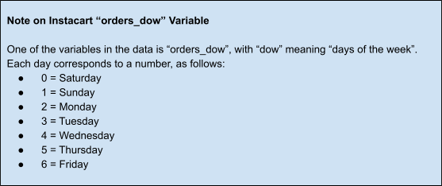

 |  |  |  |  |  |  | Busiest day is Saturday and least busy is Wednesday.

 |  |  | Distribution of Total Orders throughout the day


 |  |  |  |  |  |  | 10 am to 3 pm are the peak hours for placing orders.

 |  | Relationship between product prices and hour of the day

 |  |  |  |  |  |  |  | Customers will spend money on higher priced items around 4pm each day, but that does not necessarily mean they spend the most at that time. But that doesn't mean maximum ordered are placed at that time too. According to the chart above, the most orderd are placed at around 11 am.

 |  |  | Product Price Distribution


 |  |  |  |  |  |  |  | Most customers spend on products which are priced in lower ranges (below $15). Products above 15 Dollars are very few and very few are bought by the customers.

 |  |  |  | Customer type distribution by Department
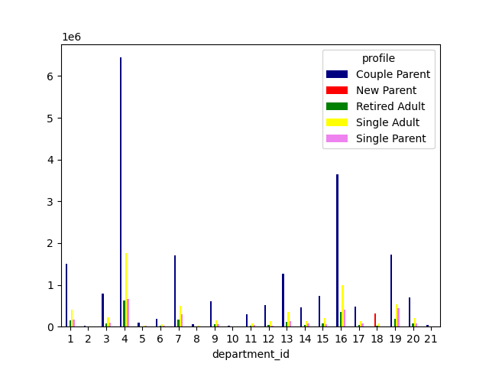

 |  |  | Highest sales are observed in 'produce' department among couple parents,
 |  |  | followed by dairy eggs, frozen foods, beverages, pantry, and snacks.
 |  |  | New parents tend to shop more from babies section.
 |  |  | Single parents show high purchases in snacks and produce sections.
 |  |  | We can infer that maximum sales are observed in produce
 |  |  | section, followed by dairy eggs, beverages, snacks, frozen foods, and pantry.

 |  | Distribution of Customers based on Loyalty Status

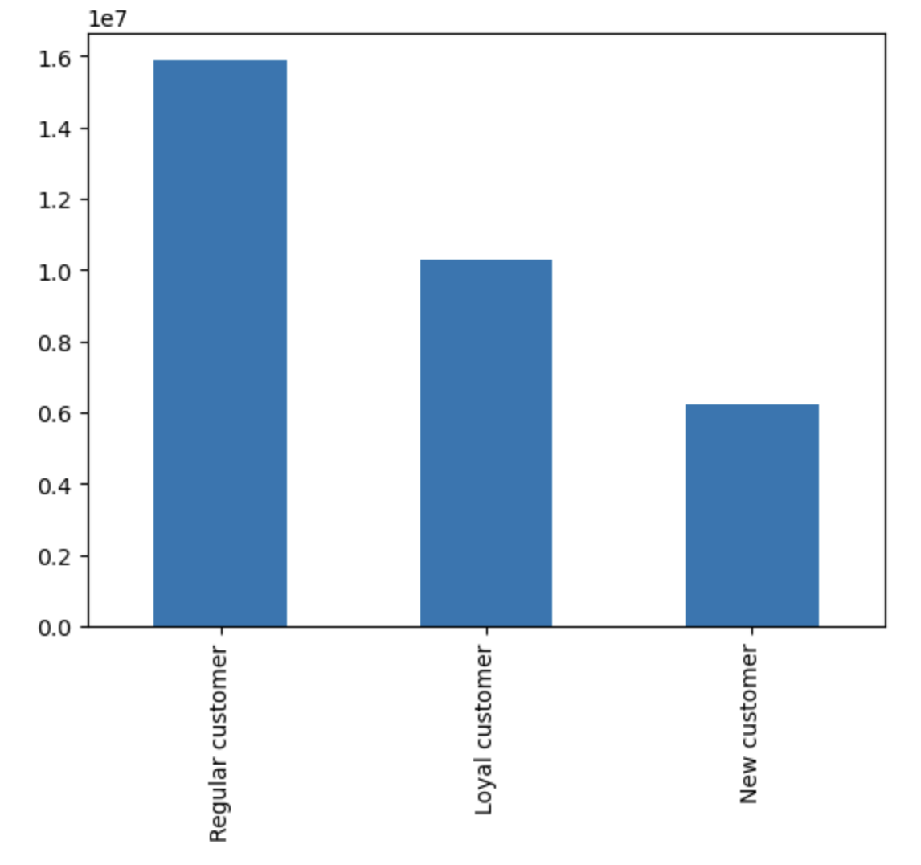

 |  |  |  |  |  | Most customers are regular

 |  | Relationship between Day of the Week and Average Product Price
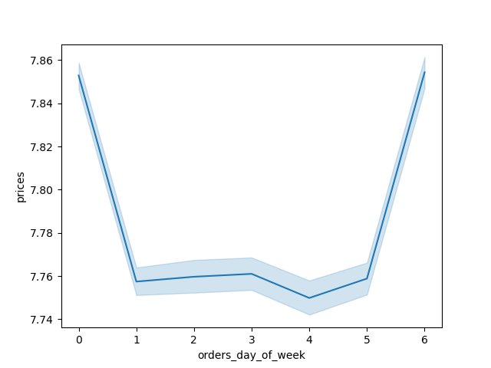

 |  |  |  |  |  |  | While there is not much difference in the prices, maximum sales happen during the weekend (saturdays and sundays).

 |  | Distribution between age and average number of dependants
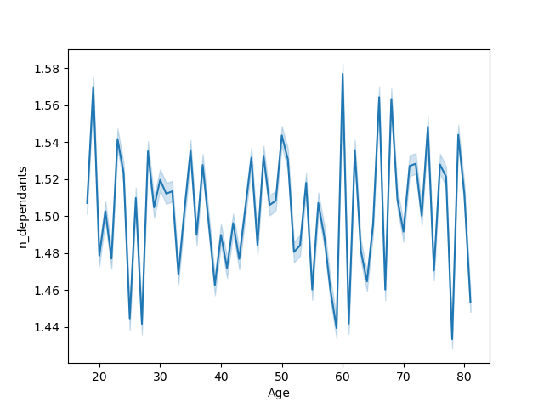

 |  |  |  |  |  |  | There doesn't seem to be any correlation between age and number of dependants

 |  |  | Customer Distribution According to Profile
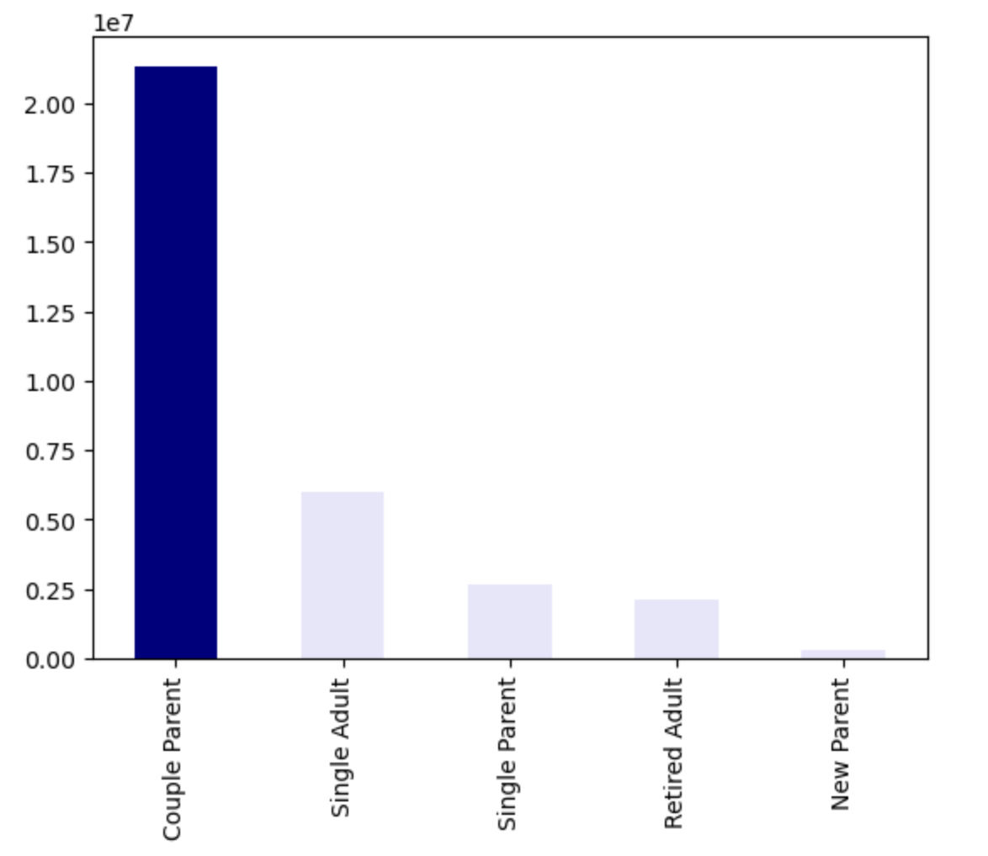

 |  |  |  |  |  |  | There are maximum couple parents, followed by single adults, single parents, retired adults and lastly new parents.

 |  |  |  | Relationship between Age and Income

 |  |  |  |  |  |  | There is no correlation between age and income. Most customers make less than $200,000 USD. There does seem to be a spike in incomes at the age of 40.

 |  |  | Customer Type Distribution by Region

 |  | 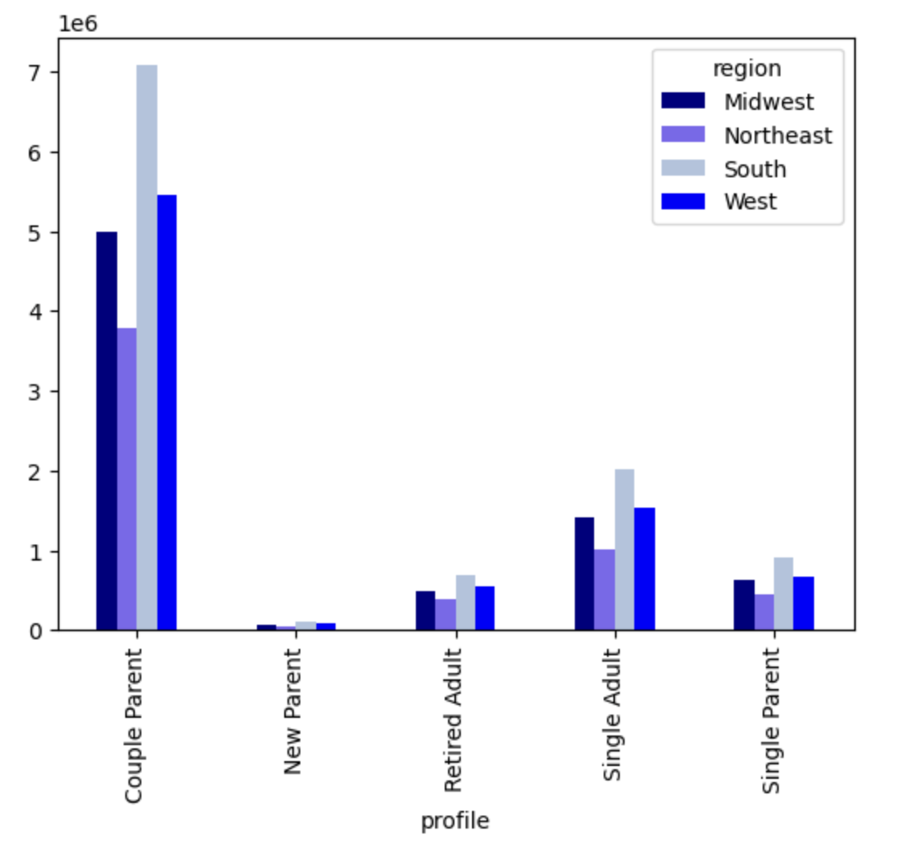 |  |  |  |  | Couple parents have the most purchases in all regions followed by single adults, single parents, retired adults, and new parents, respectively. New parents are nearly equally represented in every region. Southern region has the most purchases

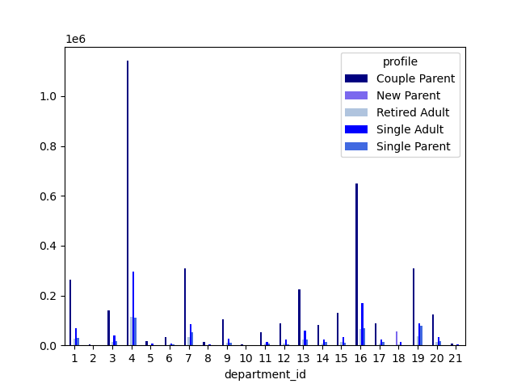
 |  | Customer type distribution by department in Northeast |  |  |  |  | Customer type distribution by department in Midwest
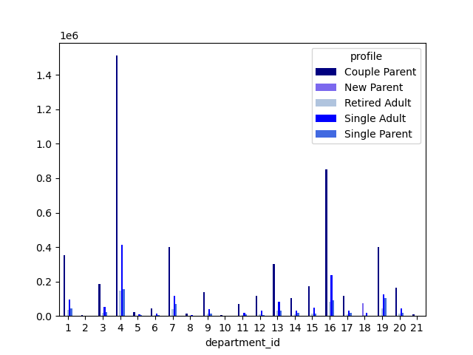

 |  | Customer type distribution by department in South |  |  |  |  | Customer type distribution by department in West



 |  |  |  |  | The department trends previously mentioned are the same for each region and do not vary from place to place.

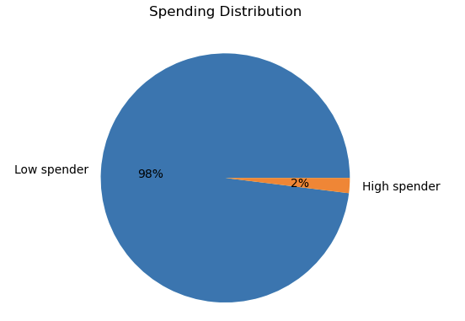

 |  |  |  |  |  |  | There are majority low spenders as compared to high spenders.

7. Recommendations
 |  | Title page

Recommendations

In this tab you should include any recommendations you would made to Instcart in terms of their marketing strategy based on the questions posed in the brief. Every key question has been covered in the Tasks of the Exercises - here you need to add an item - a visualisation or table/crosstable that is showing the answer in the data, acompanied by a comment from you. Please, list the questions below and add the answer underneath.

Question
Key Question 1 | The sales team needs to know what the busiest days of the week and hours of the day are (i.e., the days and times with the most orders) in order to schedule ads at times when there are fewer orders.

Answer | The most orders are placed on Saturday and Sunday and the least orders on Tuesday and Wednesday.

Recommendation | The marketing team can try and focus on scheduling ads on tuesdays and wednesdays after 3 pm, in order to stimulate people to place orders during that time.

Key Question 2 | They also want to know whether there are particular times of the day when people spend the most money, as this might inform the type of products they advertise at these times.

Answer | 10am-11am is the peak time when orders are placed with orders starting to decline around 3pm.

Recommendation | Products sold during these peak orders must be noted and advertised after the peak hours to get more customers.

Key Question 3 | Instacart has a lot of products with different price tags. Marketing and sales want to use simpler price range groupings to help direct their efforts.

Answer | We have spenders distribution chart which makes it clear that there are 98% low spenders and only 2% high spenders.

Recommendation | Since there is a vast majority of low spenders, the marketing team must focus their efforts on low spenders to increase their sales.

Key Question 4 | Are there certain types of products that are more popular than others? The marketing and sales teams want to know which departments have the highest frequency of product orders.

Answer | Yes. The departments with fresh produce, snacks, beverages, frozen foods, dairy eggs have higher sales than other departments. New parents spend more in 'babies' department.

Recommendation | In order to generate revenue, the company should focus on low frequency orders such as personal care, international, bulk, alcohol, household and such. Particular focus must be put on high selling items in those departments.

Key Questions 5a | What’s the distribution among users in regards to their brand loyalty (i.e., how often do they return to Instacart)?

Answer | The regular customers appear to be the most frequent consumers. The loyal customers are typically also frequent customers. New customers are the customers that are the least frequent.

Recommendation | Loyalty rewards program can be introduced to keep the regular customers and increase frequency of new customers. Loyalty rewards motivate new customers to buy more products in order to reep the benefits of the program.

Key Question 5b | Are there differences in ordering habits based on a customer’s loyalty status?

Answer | Regular customers have the most orders by a large margin.

Recommendation | Instacart should advertise to their regular customers to re-order their previous purchases and also give more options of similar products. More viewership will lead to more sales in that particular department.

Key Question 5c | Are there differences in ordering habits based on a customer’s region?

Answer | South region has higher orders in all departments and profiles.

Recommendations | We can do further exploratory analysis into why the South has more sales in particular departments and then form a strategy to advertise those products in other regions.

Key Question 5d | Is there a connection between age and family status in terms of ordering habits? Note: Instacart is a real company that’s made their data available online. However, the contents of this project brief have been fabricated for the purpose of this Achievement.

Answer | Between the ages of 20 and 80, there are upto 3 dependants in a family.

Recommendation | As the income increases at age 40, alon with more dependants, consumerism is bound to increase. Instacart must focus on household products which families prefer to use for their children and also buy in bulk. Advertizing can be modified to attract large families.

Key Question 5e | What different classifications does the demographic information suggest? Age? Income? Certain types of goods? Family status?

Answer | For customers in all age profiles, the average days since prior order is 11. There are more consumers in the age group of 20 to 65 as they are the ones with children and more number of dependants. Income groups represent single adults, single parents, couple parents and retired adults. 18 <= age < 30 is young adult 30 <= age < 50 adult 50 <= old adult No dependents means single adult Income less than 50k with more than 1 dependent means single parent

Recommendation | The income range of 50k-150k represents the largest income profile. Since families represent the most revenue, less expensive products should be advertised and those products should fall into a few departments. Additionally, the age profile 41-65 is typically the age profile where people are raising children and/or preparing for retirement, so saving money is very crucial. Another consideration is to advertise more expensive products to the age profile 18-40. Overall, since produce is the leading department across all profiles, a fair portion of advertising should be contributed to promoting produce.

Key Question 5f | What differences can you find in ordering habits of different customer profiles? Consider the price of orders, the frequency of orders, the products customers are ordering, and anything else you can think of.

Answer | Generally, most customers would spend almost similarly on items. However, families with babies and kids do spend more on a higher side on products such as produce, snacks, beverages, and frozen goods. People at the age of 40 have high incomes and are also raising their children. Therefore, there is significant amount of sales happening in produce section. New parents tend to spend more on their newborns and hence the "babies" department has revenue coming from new parents. Higher income families tend to buy more expensive products since they can afford it.

Recommendation | Firstly, we must focus on concentrating our efforts to advertise products towards families. Since it is already established that families spend major portion of their purchases in produce, and other food items, we must focus on refining that section of our products to make them more accessible, giving them more options in similar departments. The frequency of ads about these products can alo be increased to increase revenue. Buying in bulk is a good and affordable option for a lot of big families. We can make strategies to launch schemes focusing on buying bulk products to attract more customers. For regular customers and low spenders, low price range products must be advertised more often and also try to advertize those departments which show potential to increase sales, such as alcohol, personal care and pets.

